1. Title Page
[Achievement 4]

Project Name: Instacart Basket Analysis
Date: November 2021
Analyst Name: Lionel Eyong

Contents:
Population Flow
Consistency checks
Wrangling steps
Column derivations
Visualizations
Recommendations

Data Source:
“The Instacart Online Grocery Shopping Dataset 2017”, Accessed from https://www.instacart.com/datasets/grocery-shopping-2017 on [09/11/2021].

“prices” column in the products data set, are fabricated data (just for purpose of this course)

2. Population Flow
 |  | Title page

Population flow

Exclusion flag
Condition: max_order < 5
Obervations to be removed: 1440295
Final total count of order_products_all: 30,993,489

Orders_products_combined
Orders_products_merged
Orders_products_all

Total:
Total:
Total:
32404859
32434489 | 32404859

1.) The grey boxes in the first row of the population flow represent the original data sets as they were when you downloaded them. In the Total fields you need to add the count of the rows when you imported the data set into Jupyter.
2.) The second row of boxes (coloured) represents the data sets after you manipulated them, e.g., removed missing values and duplicates. In the Total fields you need to add the count of the rows after conducting these operations. This offers a visual oveview of how the data flows throughout the data consistency checks.
3.) The third row, where also the arrows are coloured, represents the merges you performed between the datasets. In the Total fields you need to add the count of the rows in the merged datasets, so that you end up with the final dataset (in the red box). Keep in mind the final dataset should be without exclusions (based on the exclusion flag).
 |  |  | 32433784

3. Consistency checks
 |  |  |  | Title page
Consistency checks

Dataset | Missing values | Missing values treatment | Duplicates
orders | 206209 | created an additional column to flag them | 0
products | 16 | created a subset without missing values | 5
orders_products_prior | None | None | None
customers | 11259 | don't need columns | 0

4. Wrangling steps
 |  |  |  | Title page
Wrangling steps

Columns dropped | Columns renamed | Columns' type changed | Comment/Reason
orders.eval_set |  |  | not needed
 | order_dow |  | changed to orders_day_of_week (more readbale)
 |  | user_id | change to string
 |  | order_id | change to string

 | First Name |  | first_name
 | Surname |  | family_name
 | Gender |  | gender
 | STATE |  | state
 | n_dependants |  | number_of_dependents
 | fam_status |  | family_status
 |  | user_id | change to string
first_name & last name |  |  | data privacy
date_joined |  |  | not needed

5. Column derivations
 |  |  |  | Title page

Column derivations and aggregations

In this tab you should add tables below that the frequences of flags/label variables that you produced after deriving them. NB: don't do this for continuous variables, only for flags.
Dataset | New column | Column/s it was derived from | Conditions
ords_prods_merge | price_range_loc | prices | sort products based on prices
 | busiet_day | orders_day_of_the_week | how busy each day of the week is
 | busiest_days | orders_day_of_the_week | top 2 busiest and 2 slowest days
 | busiest_period_of_day | order_hour_of_day | clasfify order time base on how business
 | max_order | user_id & order number | find max order of customer
 | loyalty_flag | user_id & order number | customer flag in terms of loyalty
 | spender_flag | user_id & prices | flag customer in term of spending
 | mean_price | user_id & prices | mean price spend by customer
 | median_order | days_since_prior_order | median order days
 | frequency_flag | days_since_prior_order | frequency order of customer
 | Region | states | assign region to state
 | exclusion_flag | max orders | based on max order <5 & >= 5
 | age_range | age | assigned age to 10 years interval

6. Visualizations
 |  |  |  |  |  |  |  |  | Title page

Visualisations

In this tab you should include all the visualtions from Exercises 4.9 and 4.10, alongside the questions from the project brief that they answer. Include any commentary on the relationship between different variables.

 | Q1. What is the busiest days of the week and hours of the day?

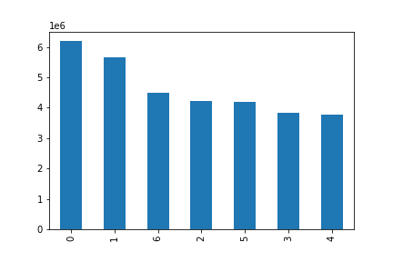

 |  |  |  |  |  |  | The busiest day of the week is Saturday which is represented by 0 in the chart.

 |  |  |  |  |  |  | The slowest day (least busy day) is Wednesday

 |  | 0 = Saturday, 1 = Sunday, 2 = Monday, 3 = Tuesday, 4 = Wednesday, 5 = Thursday, 6 = Friday

 | Q1. What are the busiest hours of the day?

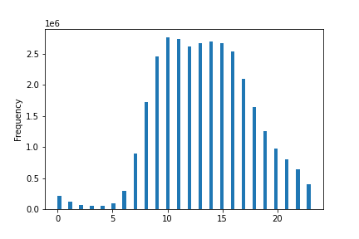

 |  |  |  |  |  |  | The histogram shows the number of order received per hour of the day.

 |  |  |  |  |  |  | The most order are received between 10 am and 4pm

 |  |  |  |  |  |  | The least orders are between 11 pm and 6am

Q2. Whether there are particular times of the day when people spend the most money, as this might inform the type of products they advertise at these times.
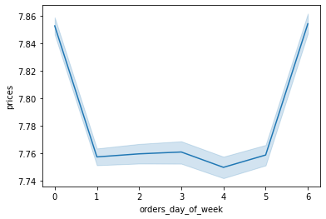
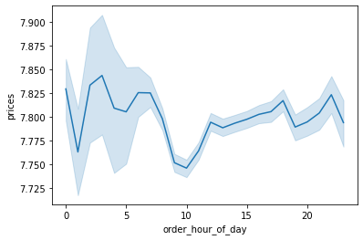

 | The days when customer spend most money are on weekends (Saturday and Sundays)

Q3. Simpler price range groupings for products
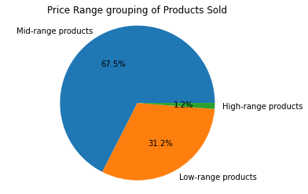

 |  |  |  |  | Majority of products sold are Mid-range and low-range products
 |  |  |  |  | only 12 % are high-range products

Mid-range products ($5 - 15)', 'Low-range products ($5 or less)', 'High-range products (Above $15)'

 | Q4. The distribution of orders among customers in terms of loyalty. Which types of customer order the most?

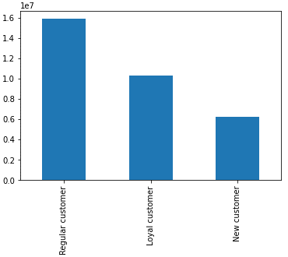
 |  |  |  |  | The chart represent the distribution of customer in terms of loyalty.

 |  |  |  |  | Regular customer order the most, followed by loyal customer and finally new customer

 | Regular customers have max order greater than 10 and <= 40
 | Loyal customers have max order greater than or equal 40
 | New customers have max orders less or equal to 10

 | Q5. Ages of customers

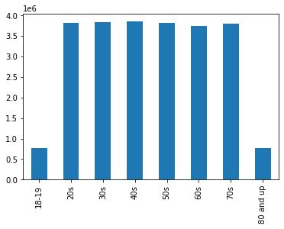

 |  |  |  |  |  | Majority of customers are between 20's and 70's

 | Q6. Whether there’s a connection between age and spending power
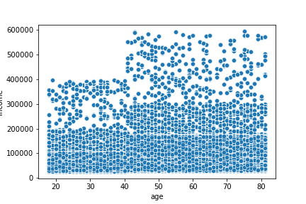

 |  |  |  |  |  |  | We could say that as age increase the income power also have more tendency to increase, as there are more higher values of income for ages above 40

 | Q7. Determine whether there’s a difference in spending habits between the different U.S. regions.

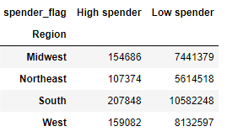

 |  |  |  | All the regions have more low spending habits than high spending habits.
 |  |  |  | South region have more High spender and low spender, but they also have the highest population
 |  |  |  | To have a better understanfing we normalize the data

 | Spender_flag as a Percentage of total Population

 | Region | High spender | Low spender | After normalizing the data, we see that Midwest have the most high spender and Northeast have the most Low spenders
 | Midwest | 2.04% | 97.96%
 | Northeast | 1.88% | 98.12%
 | South | 1.93% | 98.07%
 | West | 1.92% | 98.08%

 | Q7. Which depatment is most popular in term of frequency?
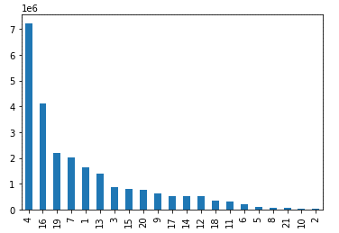
 |  |  |  |  |  |  |  | Produce is by far the most popular department, followed by dairy eggs and snacks.

 | Q8. Customer Profile per region
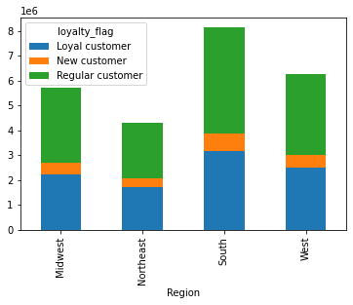

 |  |  |  |  |  | Most of the Instacart customers for all regions are Regular cusotmer followed by loyal customer

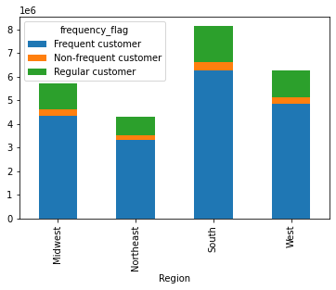

 |  |  |  |  |  |  | Majority of Instacart cusotmers are Regular Customer

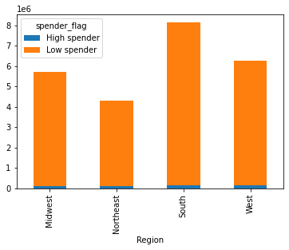
 |  |  |  |  |  | Most customers are clasified as Low Spender

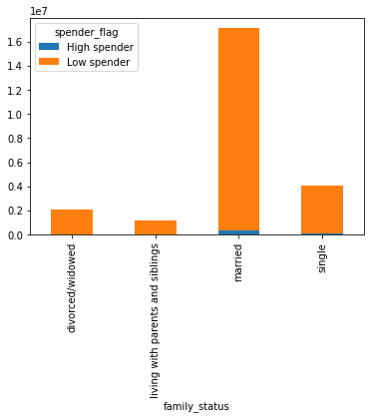

 |  |  |  |  |  |  | Of those Low spenders, majority are married

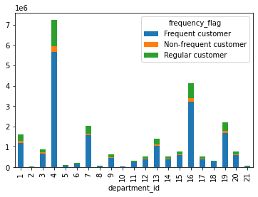

 |  |  |  |  |  |  | Most departments have majority frequency customers

7. Recommendations
 |  |  |  |  |  |  |  | Title page

Recommendations

In this tab you should include any recommendations you would made to Instcart in terms of their marketing strategy based on the questions posed in the brief. Every key question has been covered in the Tasks of the Exercises - here you need to add an item - a visualisation or table/crosstable that is showing the answer in the data, acompanied by a comment from you. Please, list the questions below and add the answer underneath.

Question
Key Question 1 |  | What is the busiest days of the week and the busiest hours of the day?
Key Question 2 |  | whether there are particular times of the day when people spend the most money
Key Question 3 |  | Simpler price range groupings for products
Key Question 4 |  | Are there certain types of products that are more popular than others?
Key Question 5 |  | Different types of customer profile and their ordering behaviors differ
Key Question 5(a) |  | How often do they return to Instacart?
Key Question 5(b) |  | Are there differences in ordering habits based on a customer’s loyalty status?
Key Question 5(c) |  | Are there differences in ordering habits based on a customer’s region?
Key Question 5(d) |  | Is there a connection between age and family status in terms of ordering habits?
Key Question 5(e) |  | What different classifications does the demographic information suggest?
Key Question 5(f) |  | What differences can you find in ordering habits of different customer profiles?

Q1. What is the busiest days of the week and the busiest hours of the day?

0 = Saturday, 1 = Sunday, 2 = Monday, 3 = Tuesday, 4 = Wednesday, 5 = Thursday, 6 = Friday
 |  |  |  |  |  | The busiest hours of the day are between 10 and 16.
The busiest days of the week are the weekends (Saturday and Sunday) followed by Friday.

Instacart should plan staff accordingly. Make sure on Weekend and between 10 am to 4pm, there are enought staffs in the shift and also enough producsts available in the store.

The sales team want to schedule ads at times when there are fewer orders; so they should do so outsied 10am to 4pm.

Q2. whether there are particular times of the day when people spend the most money

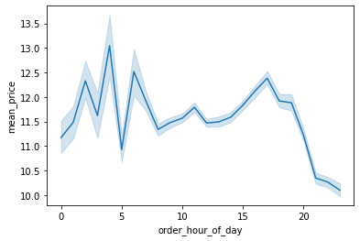
 |  |  | Looking at the line plot, it seems that most money was spend between 2am to 5am, which seem to be the least busiest hours

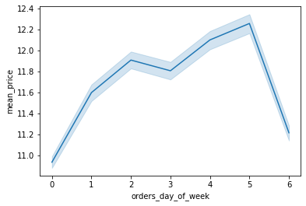

 |  |  |  | Looking at the mean price and product pirchased during the week, we see that the most money was spend on Thursday

 |  |  |  | Which is not one of the busiest days.

 |  |  |  | Surprisingly, least money was spend on Saturday which is the busiet days of the week.

Q3. Simpler price range groupings for products

 |  |  | The products were classified in different price ranges as requested by the sales and marketing teams

 |  |  | 'Mid-range products ($5 - 15)', 'Low-range products ($5 or less)', 'High-range products (Above $15)'

Q4. Are there any department that are popular than ohters?

 |  |  |  |  |  |  | Instacart need to know where the money is coming from and also which department are lagging behind.
 |  |  |  |  |  |  | The departments with the highest frequency of product orders are Produce, followed by dairy eggs and snaks

 |  |  |  |  |  |  | They can also make some promotion for example combining dairy eggs with breakfast, buy one and get half price of some discounts
 |  |  |  |  |  |  | This would increase the sale of breakfast.

Q5. Different types of customer profile and their ordering behaviors differ

 | Q5(a). How often do they return to Instacart?

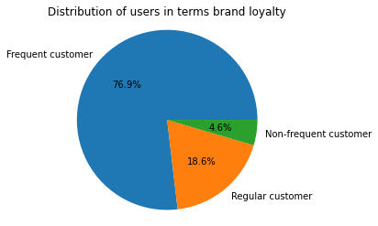

 |  |  |  | Frequent customer - median of “days_since_prior_order” lower than or equal to 10 i.e they reorder with 10 days
 |  |  |  | Regular customer - If the median is higher than 10 and lower than or equal to 20
 |  |  |  | Non-frequent customer - If the median of “days_since_prior_order” is higher than 20

 |  |  |  | Instacart has a strong brand loyalty as more than 75% of their customer are frequent_customers

 | Q5(b). Are there differences in ordering habits based on a customer’s loyalty status?
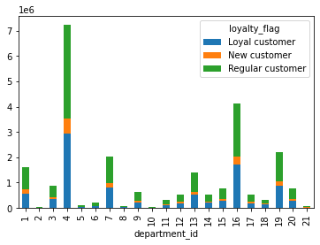

 |  |  |  |  |  | In all the deparment, regular and loyal customers make the biggest contribution

 | 5(c). Are there differences in ordering habits based on a customer’s region?
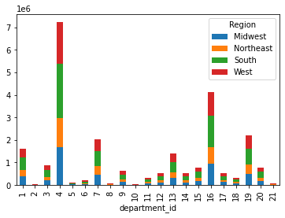

 |  |  |  | There seem to be no differences in ordering habits based on customer's region

 | 5(d). Is there a connection between age and family status in terms of ordering habits?
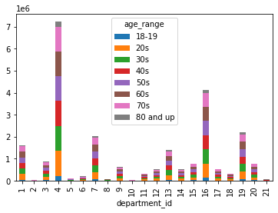

 |  |  |  | There is not apparent connection between age and ordering habits

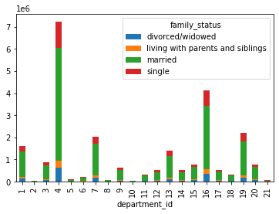

 |  |  |  |  | Here also we see no connection between family status and ordering habits

 | 5(e). What different classifications does the demographic information suggest?

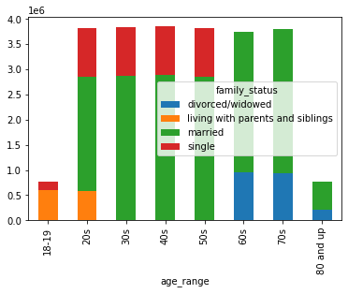

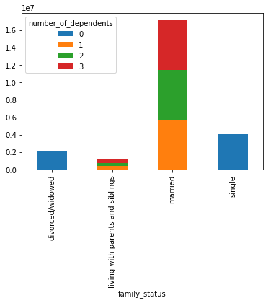

 |  |  |  |  | The majority of Instacart cusotmers are :
 |  |  |  |  |  | ~ between the age of 20's and 70`s
 |  |  |  |  |  | ~ married and have atleast one dependent
 |  |  |  |  |  | ~ regular and loyal customers
 |  |  |  |  |  | ~ firstly from South region, followed by West, Midwest and finally Northeast

 | 5(f). What differences can you find in ordering habits of different customer profiles?
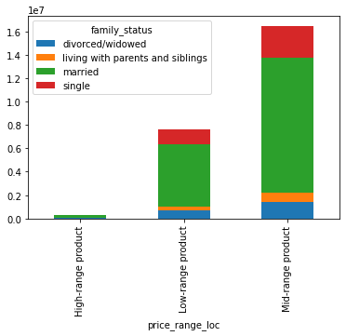
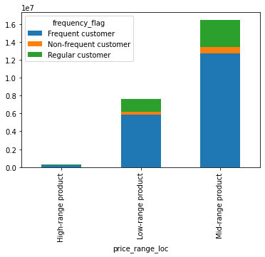

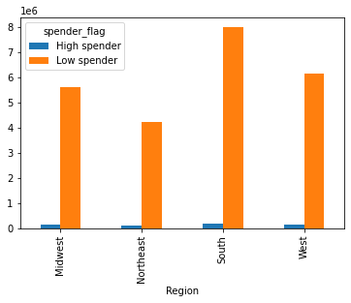

 |  |  |  |  |  | Spender_flag as a Percentage of total Population

 |  |  |  |  |  | Region | High spender | Low spender
 |  |  |  |  |  | Midwest | 2.04% | 97.96%
 |  |  |  |  |  | Northeast | 1.88% | 98.12%
 |  |  |  |  |  | South | 1.93% | 98.07%
 |  |  |  |  |  | West | 1.92% | 98.08%

 | Majority of Instacart cusotmers are frequent and regular
 | Most interestingly, High_range Products are consumed by Frequent customers
 | High-ranged products are consumed only by married
 | The region that have more customers are the South, and least is Northeat but after normaliying the data, we can see that most high spenders are from the Midwest region

Majority are married and have atleast 1 dependent (one children) which shows that babies department have great potential. Maybe more target marketing.
It is clear that majority of Instacart customers are frequent and are classified as either Regular or loyal customers and are low spenders
This is the case for all the region. Instacart should consider a loyalty scheme to reward those customers.
A point based system could be use where cusotmers accumulate points and after a certain amounts they can exchange from a list of products.
Vouchers woud also be a great idea considering majority of customers are low spenders, vouchers giving discount will be of great benefits, thus increasing sales.
Instacart could also give discount vouchers for low selling department to boost sale.These scheme would greatly increase customer loyalty and retention.

